Sheet1
Personal Stats

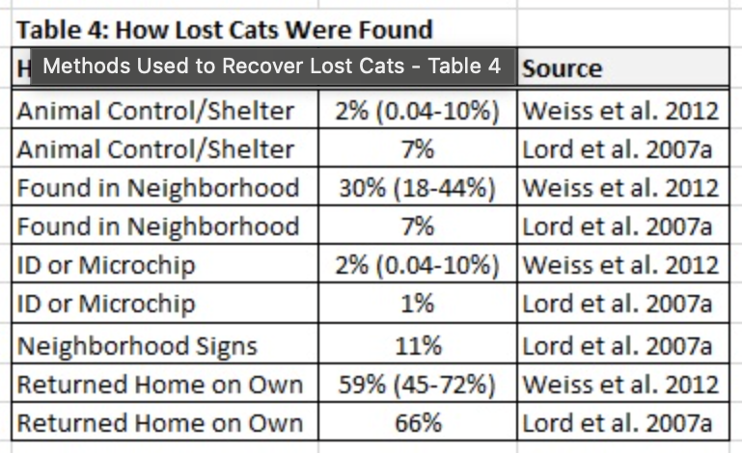
Day | Time searching in Woods | Spotted | Steps Walked | Miles
THURS 8/2/25 | 3:32:00 | No | 9,711 | 3.5
FRI 8/3/25 | 1:45:00 | No | 5,532 | 2.2
SAT 8/4/25 | 1:08:00 | Yes | 7,220 | 2.8
SUN 8/5/25 | 1:45:00 | Yes | 2,665 | 0.92
TOTAL | 8:10:00 |  | 25,128 | 9.42

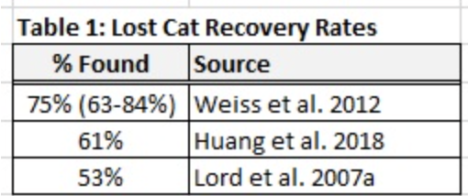
U.K Stats | n = 3,108

Cause of Death | Percentage
Cancer | 35.81%
Multiorgan/Systemic | 21.72%
Renal disease | 13.06%
Other causes | 29.41%

